Datailed Inquiry Information
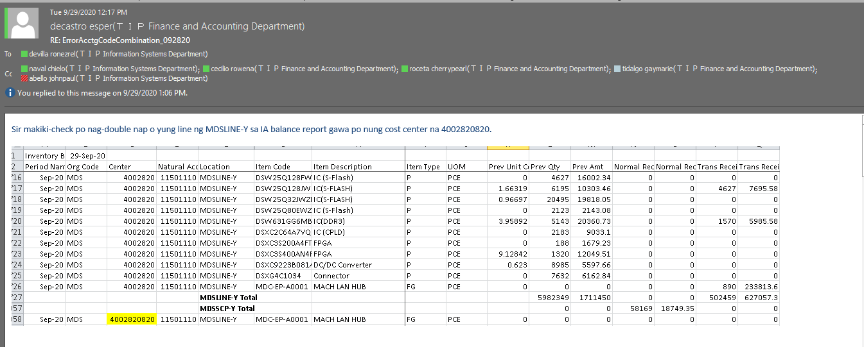
Detailed Inquiry Information

 | PLEASE PROVIDE EVIDENCE OF REQUEST / DETAILS OF REQUEST HERE (IN DETAIL).

Actual Operation Evidence
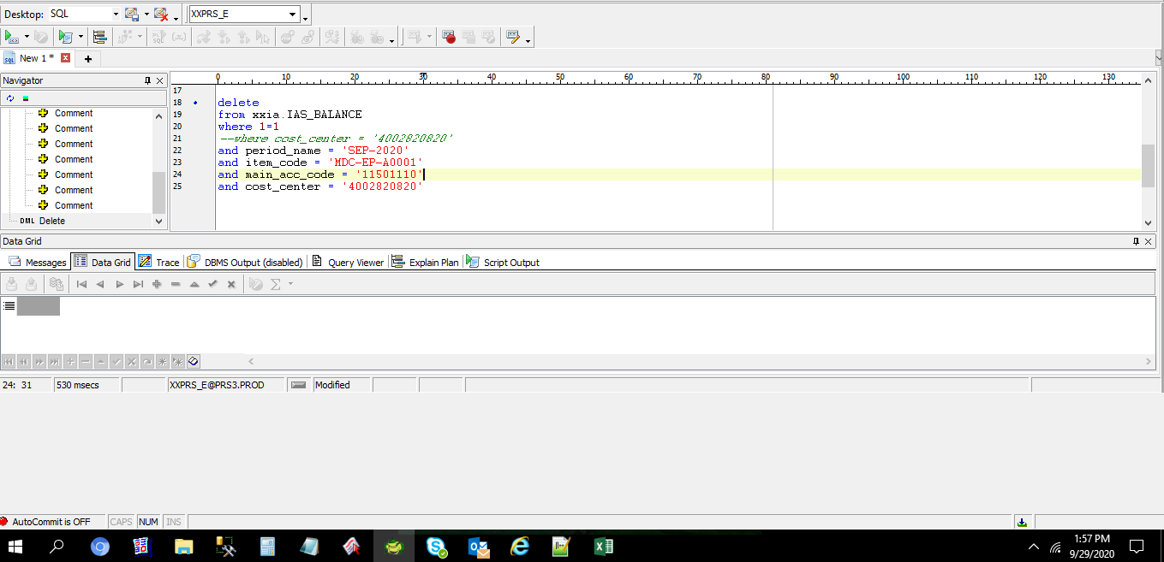
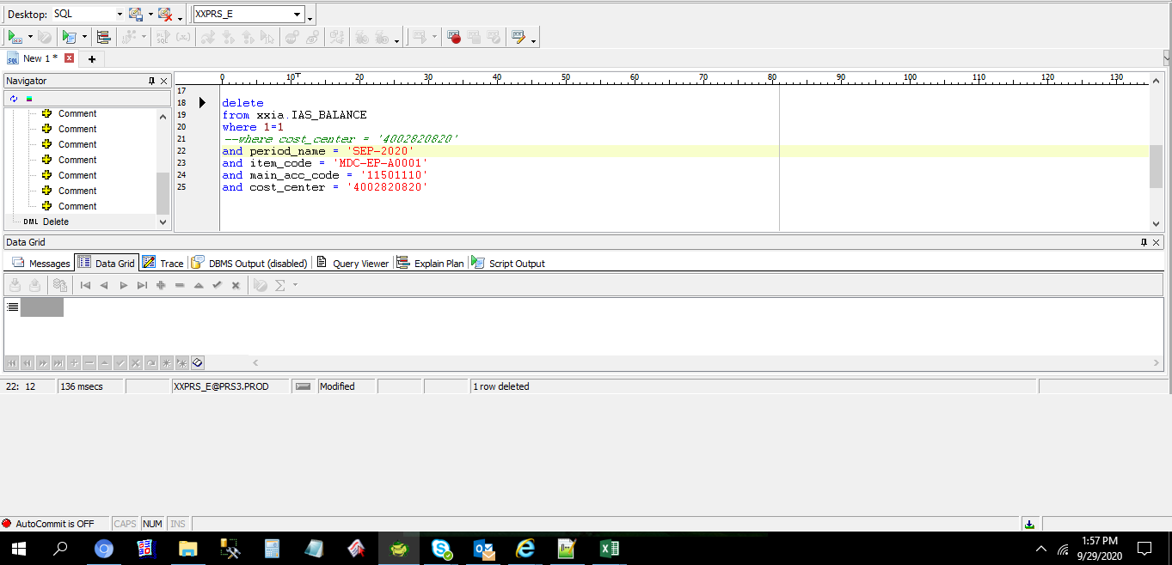

Actual Operation Evidence

Since Daily11 is running every 8AM the transaction was interface to IA with incorrect cost center
Need to correct the transactions of the ff objects:
IAS_TRANSACTIONS
IAS_TRANSACTIONS_SUM
IAS_BALANCE

select *
from xxia.ias_org_acc_codes
where 1=1
--and subinventory_code = 'MDSLINE-Y'
--and to_char(effectivity_date,'YYYYMM') = '202009'
and CR_ACCOUNT_FLEX_FIELD4 = '4002820820';

TRANSACTION_TYPE_NAME | ORGANIZATION_CODE | SUBINVENTORY_CODE | SPECIAL_CODE | TRANSFER_ORGANIZATION_CODE | TRANSFER_SUBINVENTORY_CODE | TRANSFER_SPECIAL_CODE | DR_ACCOUNT_FLEX_FIELD1 | DR_ACCOUNT_FLEX_FIELD2 | DR_ACCOUNT_FLEX_FIELD3 | DR_ACCOUNT_FLEX_FIELD4 | DR_ACCOUNT_FLEX_FIELD5 | DR_ACCOUNT_FLEX_FIELD6 | DR_ACCOUNT_FLEX_FIELD7 | DR_ACCOUNT_FLEX_FIELD8 | DR_ACCOUNT_FLEX_FIELD9 | DR_ACCOUNT_FLEX_FIELD10 | DR_ACCOUNT_FLEX_FIELD11 | DR_ATTRIBUTE1 | DR_ATTRIBUTE2 | DR_ATTRIBUTE3 | DR_ATTRIBUTE4 | DR_ATTRIBUTE5 | DR_ATTRIBUTE6 | DR_ATTRIBUTE7 | DR_ATTRIBUTE8 | DR_ATTRIBUTE9 | DR_ATTRIBUTE10 | DR_ATTRIBUTE11 | DR_ATTRIBUTE12 | DR_ATTRIBUTE13 | DR_ATTRIBUTE14 | DR_ATTRIBUTE15 | DR_ATTRIBUTE16 | DR_ATTRIBUTE17 | DR_ATTRIBUTE18 | DR_ATTRIBUTE19 | DR_ATTRIBUTE20 | CR_ACCOUNT_FLEX_FIELD1 | CR_ACCOUNT_FLEX_FIELD2 | CR_ACCOUNT_FLEX_FIELD3 | CR_ACCOUNT_FLEX_FIELD4 | CR_ACCOUNT_FLEX_FIELD5 | CR_ACCOUNT_FLEX_FIELD6 | CR_ACCOUNT_FLEX_FIELD7 | CR_ACCOUNT_FLEX_FIELD8 | CR_ACCOUNT_FLEX_FIELD9 | CR_ACCOUNT_FLEX_FIELD10 | CR_ACCOUNT_FLEX_FIELD11 | CR_ATTRIBUTE1 | CR_ATTRIBUTE2 | CR_ATTRIBUTE3 | CR_ATTRIBUTE4 | CR_ATTRIBUTE5 | CR_ATTRIBUTE6 | CR_ATTRIBUTE7 | CR_ATTRIBUTE8 | CR_ATTRIBUTE9 | CR_ATTRIBUTE10 | CR_ATTRIBUTE11 | CR_ATTRIBUTE12 | CR_ATTRIBUTE13 | CR_ATTRIBUTE14 | CR_ATTRIBUTE15 | CR_ATTRIBUTE16 | CR_ATTRIBUTE17 | CR_ATTRIBUTE18 | CR_ATTRIBUTE19 | CR_ATTRIBUTE20 | EFFECTIVITY_DATE | DISABLE_DATE | CREATION_DATE | CREATED_BY | LAST_UPDATE_DATE | LAST_UPDATED_BY | LAST_UPDATE_LOGIN
Subinventory Transfer | MDS | MDSFIN |  | MDS | MDSLINE-Y |  | T090593 | M20 | L10 | 4002810 | 11201110 | 0 | X2000 | PHL | 0 | 0 | 0 |  |  |  |  |  |  |  |  |  |  |  |  | UKP |  |  |  |  |  |  |  | T090593 | M20 | L10 | 4002820820 | 11501110 | 0 | X2000 | PHL | 0 | 0 | 0 |  |  |  |  |  |  |  |  |  |  |  |  | UKP |  |  |  | 1 |  |  |  | 2020-09-01 | 9/30/20 | 9/25/20 | IASW001000 | 9/25/20 | IASW001000 | Z6933TIP

Change the segment5 from 4002820820 to 4002820

select *
from xxia.ias_org_acc_codes
where 1=1
--and subinventory_code = 'MDSLINE-Y'
--and to_char(effectivity_date,'YYYYMM') = '202009'
--and CR_ACCOUNT_FLEX_FIELD4 = '4002820820';
and transaction_type_name = 'Subinventory Transfer'
and subinventory_code = 'MDSFIN'
and transfer_subinventory_code = 'MDSLINE-Y'

TRANSACTION_TYPE_NAME | ORGANIZATION_CODE | SUBINVENTORY_CODE | SPECIAL_CODE | TRANSFER_ORGANIZATION_CODE | TRANSFER_SUBINVENTORY_CODE | TRANSFER_SPECIAL_CODE | DR_ACCOUNT_FLEX_FIELD1 | DR_ACCOUNT_FLEX_FIELD2 | DR_ACCOUNT_FLEX_FIELD3 | DR_ACCOUNT_FLEX_FIELD4 | DR_ACCOUNT_FLEX_FIELD5 | DR_ACCOUNT_FLEX_FIELD6 | DR_ACCOUNT_FLEX_FIELD7 | DR_ACCOUNT_FLEX_FIELD8 | DR_ACCOUNT_FLEX_FIELD9 | DR_ACCOUNT_FLEX_FIELD10 | DR_ACCOUNT_FLEX_FIELD11 | DR_ATTRIBUTE1 | DR_ATTRIBUTE2 | DR_ATTRIBUTE3 | DR_ATTRIBUTE4 | DR_ATTRIBUTE5 | DR_ATTRIBUTE6 | DR_ATTRIBUTE7 | DR_ATTRIBUTE8 | DR_ATTRIBUTE9 | DR_ATTRIBUTE10 | DR_ATTRIBUTE11 | DR_ATTRIBUTE12 | DR_ATTRIBUTE13 | DR_ATTRIBUTE14 | DR_ATTRIBUTE15 | DR_ATTRIBUTE16 | DR_ATTRIBUTE17 | DR_ATTRIBUTE18 | DR_ATTRIBUTE19 | DR_ATTRIBUTE20 | CR_ACCOUNT_FLEX_FIELD1 | CR_ACCOUNT_FLEX_FIELD2 | CR_ACCOUNT_FLEX_FIELD3 | CR_ACCOUNT_FLEX_FIELD4 | CR_ACCOUNT_FLEX_FIELD5 | CR_ACCOUNT_FLEX_FIELD6 | CR_ACCOUNT_FLEX_FIELD7 | CR_ACCOUNT_FLEX_FIELD8 | CR_ACCOUNT_FLEX_FIELD9 | CR_ACCOUNT_FLEX_FIELD10 | CR_ACCOUNT_FLEX_FIELD11 | CR_ATTRIBUTE1 | CR_ATTRIBUTE2 | CR_ATTRIBUTE3 | CR_ATTRIBUTE4 | CR_ATTRIBUTE5 | CR_ATTRIBUTE6 | CR_ATTRIBUTE7 | CR_ATTRIBUTE8 | CR_ATTRIBUTE9 | CR_ATTRIBUTE10 | CR_ATTRIBUTE11 | CR_ATTRIBUTE12 | CR_ATTRIBUTE13 | CR_ATTRIBUTE14 | CR_ATTRIBUTE15 | CR_ATTRIBUTE16 | CR_ATTRIBUTE17 | CR_ATTRIBUTE18 | CR_ATTRIBUTE19 | CR_ATTRIBUTE20 | EFFECTIVITY_DATE | DISABLE_DATE | CREATION_DATE | CREATED_BY | LAST_UPDATE_DATE | LAST_UPDATED_BY | LAST_UPDATE_LOGIN
Subinventory Transfer | MDS | MDSFIN |  | MDS | MDSLINE-Y |  | T090593 | M20 | L10 | 4002810 | 11201110 | 0 | X2000 | PHL | 0 | 0 | 0 |  |  |  |  |  |  |  |  |  |  |  |  | UKP |  |  |  |  |  |  |  | T090593 | M20 | L10 | 4002820 | 11501110 | 0 | X2000 | PHL | 0 | 0 | 0 |  |  |  |  |  |  |  |  |  |  |  |  | UKP |  |  |  | 1 |  |  |  | 2020-09-01 | 9/30/20 | 9/25/20 | IASW001000 | 9/29/20 | IASW001000 | Z6933TIP

select *
from xxia.ias_transactions_sum
where 1=1
and CREDIT_CODE4 = '4002820820'
and organization_code = 'MDS'
and transaction_type_name = 'Subinventory Transfer'

TRANSACTION_ID | RCV_TRANSACTION_ID | HQ_SYORI_NO | TRANSACTION_SOURCE_ID | GL_TRANSACTION_ID | GL_CONNECT_FLAG | TRANSACTION_TYPE_NAME | ORGANIZATION_CODE | SUBINVENTORY_CODE | SPECIAL_CODE | TRANSFER_ORGANIZATION_CODE | TRANSFER_SUBINVENTORY_CODE | TRANSFER_SPECIAL_CODE | ITEM_CODE | TRANSACTION_QUANTITY | TRANSACTION_DATE | PERIOD_NAME | ITEM_UOM | SET_OF_BOOKS_ID | REASON_ID | CURRENCY_CODE | CURRENCY_RATE | USD_RATE | JPY_RATE | CURRENCY_PRICE_TEMP | USD_PRICE_TEMP | JPY_PRICE_TEMP | CURRENCY_AMOUNT_TEMP | USD_AMOUNT_TEMP | JPY_AMOUNT_TEMP | CURRENCY_PRICE | USD_PRICE | JPY_PRICE | CURRENCY_AMOUNT | USD_AMOUNT | JPY_AMOUNT | DECISION_STATUS | ACCEPTANCE_STATUS | EXTRACT_FLAG | PROCESS_STATUS | ADJ_TRANSACTION_ID | DEBIT_CODE1 | DEBIT_CODE2 | DEBIT_CODE3 | DEBIT_CODE4 | DEBIT_CODE5 | DEBIT_CODE6 | DEBIT_CODE7 | DEBIT_CODE8 | DEBIT_CODE9 | DEBIT_CODE10 | DEBIT_CODE11 | CREDIT_CODE1 | CREDIT_CODE2 | CREDIT_CODE3 | CREDIT_CODE4 | CREDIT_CODE5 | CREDIT_CODE6 | CREDIT_CODE7 | CREDIT_CODE8 | CREDIT_CODE9 | CREDIT_CODE10 | CREDIT_CODE11 | DEBIT_ATTRIBUTE1 | DEBIT_ATTRIBUTE2 | DEBIT_ATTRIBUTE3 | DEBIT_ATTRIBUTE4 | DEBIT_ATTRIBUTE5 | DEBIT_ATTRIBUTE6 | DEBIT_ATTRIBUTE7 | DEBIT_ATTRIBUTE8 | DEBIT_ATTRIBUTE9 | DEBIT_ATTRIBUTE10 | DEBIT_ATTRIBUTE11 | DEBIT_ATTRIBUTE12 | DEBIT_ATTRIBUTE13 | DEBIT_ATTRIBUTE14 | DEBIT_ATTRIBUTE15 | DEBIT_ATTRIBUTE16 | DEBIT_ATTRIBUTE17 | DEBIT_ATTRIBUTE18 | DEBIT_ATTRIBUTE19 | DEBIT_ATTRIBUTE20 | CREDIT_ATTRIBUTE1 | CREDIT_ATTRIBUTE2 | CREDIT_ATTRIBUTE3 | CREDIT_ATTRIBUTE4 | CREDIT_ATTRIBUTE5 | CREDIT_ATTRIBUTE6 | CREDIT_ATTRIBUTE7 | CREDIT_ATTRIBUTE8 | CREDIT_ATTRIBUTE9 | CREDIT_ATTRIBUTE10 | CREDIT_ATTRIBUTE11 | CREDIT_ATTRIBUTE12 | CREDIT_ATTRIBUTE13 | CREDIT_ATTRIBUTE14 | CREDIT_ATTRIBUTE15 | CREDIT_ATTRIBUTE16 | CREDIT_ATTRIBUTE17 | CREDIT_ATTRIBUTE18 | CREDIT_ATTRIBUTE19 | CREDIT_ATTRIBUTE20 | TRANSACTION_CREATE_ID | TRANSACTION_CREATE_DATE | CREATION_DATE | CREATED_BY | LAST_UPDATE_DATE | LAST_UPDATED_BY | LAST_UPDATE_LOGIN
92382662 |  |  |  |  |  | Subinventory Transfer | MDS | MDSFIN |  | MDS | MDSLINE-Y |  | MDC-EP-A0001 | 445 | 9/24/20 | Sep-20 | PCE | 2021 |  | USD | 1 | 0 | 0 | 262.71196 | 0 | 0 | 116906.82 | 0 | 0 | 0 | 0 | 0 | 0 | 0 | 0 | 2 | 2 | 0 | 5 |  | T090593 | M20 | L10 | 4002810 | 11201110 | 0 | X2000 | PHL | 0 | 0 | 0 | T090593 | M20 | L10 | 4002820820 | 11501110 | 0 | X2000 | PHL | 0 | 0 | 0 |  |  |  |  |  |  |  |  |  |  |  |  | UKP |  |  |  |  |  |  |  |  |  |  |  |  |  |  |  |  |  |  |  | UKP |  |  |  | 1 |  |  |  | 10782 | 9/25/20 | 9/28/20 | IASS0010 | 9/29/20 | IASS0050

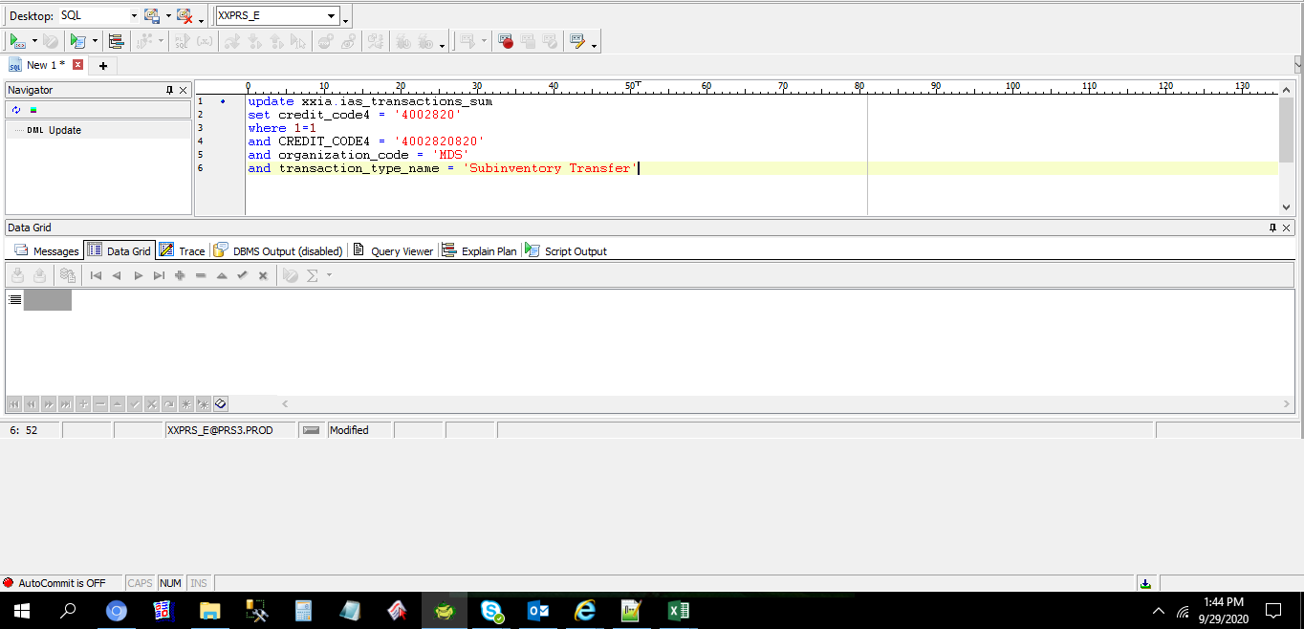

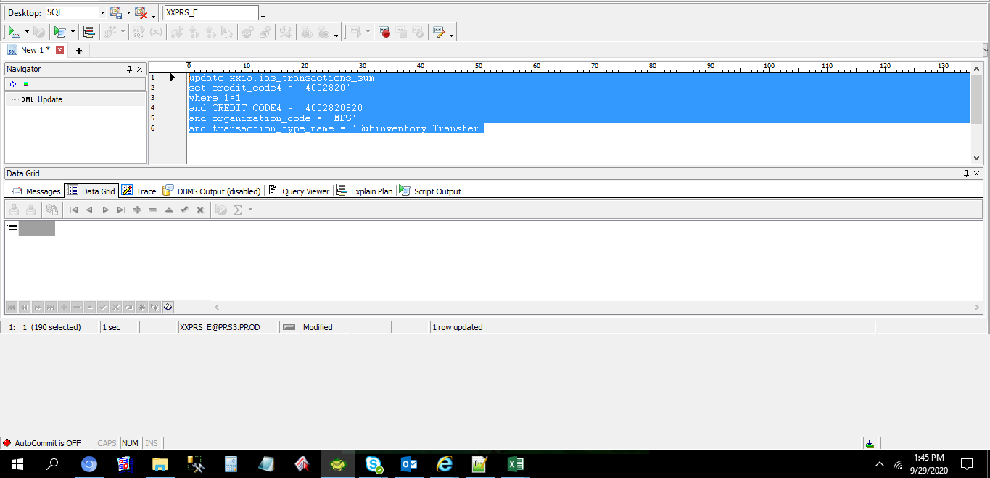

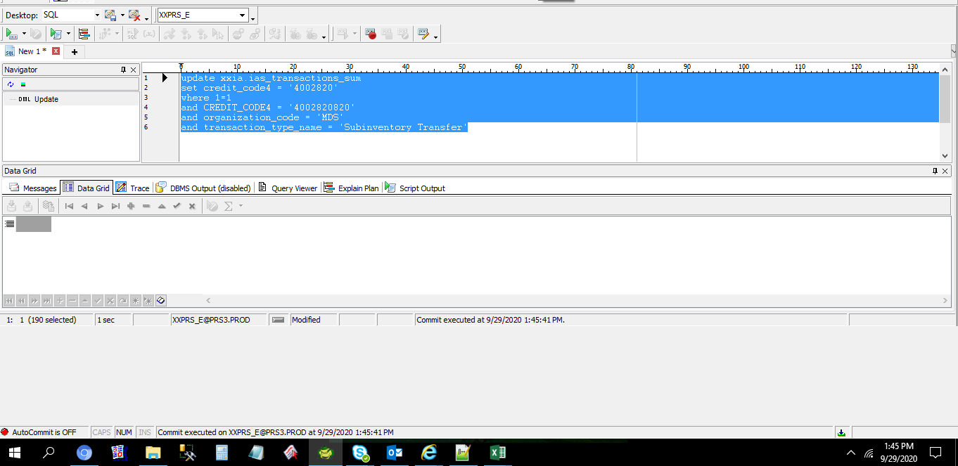

TRANSACTION_ID | RCV_TRANSACTION_ID | HQ_SYORI_NO | TRANSACTION_SOURCE_ID | GL_TRANSACTION_ID | GL_CONNECT_FLAG | TRANSACTION_TYPE_NAME | ORGANIZATION_CODE | SUBINVENTORY_CODE | SPECIAL_CODE | TRANSFER_ORGANIZATION_CODE | TRANSFER_SUBINVENTORY_CODE | TRANSFER_SPECIAL_CODE | ITEM_CODE | TRANSACTION_QUANTITY | TRANSACTION_DATE | PERIOD_NAME | ITEM_UOM | SET_OF_BOOKS_ID | REASON_ID | CURRENCY_CODE | CURRENCY_RATE | USD_RATE | JPY_RATE | CURRENCY_PRICE_TEMP | USD_PRICE_TEMP | JPY_PRICE_TEMP | CURRENCY_AMOUNT_TEMP | USD_AMOUNT_TEMP | JPY_AMOUNT_TEMP | CURRENCY_PRICE | USD_PRICE | JPY_PRICE | CURRENCY_AMOUNT | USD_AMOUNT | JPY_AMOUNT | DECISION_STATUS | ACCEPTANCE_STATUS | EXTRACT_FLAG | PROCESS_STATUS | ADJ_TRANSACTION_ID | DEBIT_CODE1 | DEBIT_CODE2 | DEBIT_CODE3 | DEBIT_CODE4 | DEBIT_CODE5 | DEBIT_CODE6 | DEBIT_CODE7 | DEBIT_CODE8 | DEBIT_CODE9 | DEBIT_CODE10 | DEBIT_CODE11 | CREDIT_CODE1 | CREDIT_CODE2 | CREDIT_CODE3 | CREDIT_CODE4 | CREDIT_CODE5 | CREDIT_CODE6 | CREDIT_CODE7 | CREDIT_CODE8 | CREDIT_CODE9 | CREDIT_CODE10 | CREDIT_CODE11 | DEBIT_ATTRIBUTE1 | DEBIT_ATTRIBUTE2 | DEBIT_ATTRIBUTE3 | DEBIT_ATTRIBUTE4 | DEBIT_ATTRIBUTE5 | DEBIT_ATTRIBUTE6 | DEBIT_ATTRIBUTE7 | DEBIT_ATTRIBUTE8 | DEBIT_ATTRIBUTE9 | DEBIT_ATTRIBUTE10 | DEBIT_ATTRIBUTE11 | DEBIT_ATTRIBUTE12 | DEBIT_ATTRIBUTE13 | DEBIT_ATTRIBUTE14 | DEBIT_ATTRIBUTE15 | DEBIT_ATTRIBUTE16 | DEBIT_ATTRIBUTE17 | DEBIT_ATTRIBUTE18 | DEBIT_ATTRIBUTE19 | DEBIT_ATTRIBUTE20 | CREDIT_ATTRIBUTE1 | CREDIT_ATTRIBUTE2 | CREDIT_ATTRIBUTE3 | CREDIT_ATTRIBUTE4 | CREDIT_ATTRIBUTE5 | CREDIT_ATTRIBUTE6 | CREDIT_ATTRIBUTE7 | CREDIT_ATTRIBUTE8 | CREDIT_ATTRIBUTE9 | CREDIT_ATTRIBUTE10 | CREDIT_ATTRIBUTE11 | CREDIT_ATTRIBUTE12 | CREDIT_ATTRIBUTE13 | CREDIT_ATTRIBUTE14 | CREDIT_ATTRIBUTE15 | CREDIT_ATTRIBUTE16 | CREDIT_ATTRIBUTE17 | CREDIT_ATTRIBUTE18 | CREDIT_ATTRIBUTE19 | CREDIT_ATTRIBUTE20 | TRANSACTION_CREATE_ID | TRANSACTION_CREATE_DATE | CREATION_DATE | CREATED_BY | LAST_UPDATE_DATE | LAST_UPDATED_BY | LAST_UPDATE_LOGIN
92382662 |  |  |  |  |  | Subinventory Transfer | MDS | MDSFIN |  | MDS | MDSLINE-Y |  | MDC-EP-A0001 | 445 | 9/24/20 | Sep-20 | PCE | 2021 |  | USD | 1 | 0 | 0 | 262.71196 | 0 | 0 | 116906.82 | 0 | 0 | 0 | 0 | 0 | 0 | 0 | 0 | 2 | 2 | 0 | 5 |  | T090593 | M20 | L10 | 4002810 | 11201110 | 0 | X2000 | PHL | 0 | 0 | 0 | T090593 | M20 | L10 | 4002820 | 11501110 | 0 | X2000 | PHL | 0 | 0 | 0 |  |  |  |  |  |  |  |  |  |  |  |  | UKP |  |  |  |  |  |  |  |  |  |  |  |  |  |  |  |  |  |  |  | UKP |  |  |  | 1 |  |  |  | 10782 | 9/25/20 | 9/28/20 | IASS0010 | 9/29/20 | IASS0050

select *
from xxia.ias_transactions
where 1=1
and CREDIT_CODE4 = '4002820820'
and organization_code = 'MDS'
and transaction_type_name = 'Subinventory Transfer'
and subinventory_code = 'MDSFIN'
and transfer_subinventory_code = 'MDSLINE-Y'

TRANSACTION_ID | RCV_TRANSACTION_ID | SUM_TRANSACTION_ID | TRANSACTION_SOURCE_ID | TRANSACTION_TYPE_NAME | ORGANIZATION_CODE | SUBINVENTORY_CODE | SPECIAL_CODE | TRANSFER_ORGANIZATION_CODE | TRANSFER_SUBINVENTORY_CODE | TRANSFER_SPECIAL_CODE | ITEM_CODE | TRANSACTION_QUANTITY | TRANSACTION_DATE | PERIOD_NAME | ITEM_UOM | SET_OF_BOOKS_ID | REASON_ID | CURRENCY_CODE | CURRENCY_RATE | USD_RATE | JPY_RATE | CURRENCY_PRICE | USD_PRICE | JPY_PRICE | CURRENCY_AMOUNT | USD_AMOUNT | JPY_AMOUNT | DECISION_STATUS | ACCEPTANCE_STATUS | PROCESS_STATUS | ADJ_TRANSACTION_ID | DEBIT_CODE1 | DEBIT_CODE2 | DEBIT_CODE3 | DEBIT_CODE4 | DEBIT_CODE5 | DEBIT_CODE6 | DEBIT_CODE7 | DEBIT_CODE8 | DEBIT_CODE9 | DEBIT_CODE10 | DEBIT_CODE11 | CREDIT_CODE1 | CREDIT_CODE2 | CREDIT_CODE3 | CREDIT_CODE4 | CREDIT_CODE5 | CREDIT_CODE6 | CREDIT_CODE7 | CREDIT_CODE8 | CREDIT_CODE9 | CREDIT_CODE10 | CREDIT_CODE11 | DEBIT_ATTRIBUTE1 | DEBIT_ATTRIBUTE2 | DEBIT_ATTRIBUTE3 | DEBIT_ATTRIBUTE4 | DEBIT_ATTRIBUTE5 | DEBIT_ATTRIBUTE6 | DEBIT_ATTRIBUTE7 | DEBIT_ATTRIBUTE8 | DEBIT_ATTRIBUTE9 | DEBIT_ATTRIBUTE10 | DEBIT_ATTRIBUTE11 | DEBIT_ATTRIBUTE12 | DEBIT_ATTRIBUTE13 | DEBIT_ATTRIBUTE14 | DEBIT_ATTRIBUTE15 | DEBIT_ATTRIBUTE16 | DEBIT_ATTRIBUTE17 | DEBIT_ATTRIBUTE18 | DEBIT_ATTRIBUTE19 | DEBIT_ATTRIBUTE20 | CREDIT_ATTRIBUTE1 | CREDIT_ATTRIBUTE2 | CREDIT_ATTRIBUTE3 | CREDIT_ATTRIBUTE4 | CREDIT_ATTRIBUTE5 | CREDIT_ATTRIBUTE6 | CREDIT_ATTRIBUTE7 | CREDIT_ATTRIBUTE8 | CREDIT_ATTRIBUTE9 | CREDIT_ATTRIBUTE10 | CREDIT_ATTRIBUTE11 | CREDIT_ATTRIBUTE12 | CREDIT_ATTRIBUTE13 | CREDIT_ATTRIBUTE14 | CREDIT_ATTRIBUTE15 | CREDIT_ATTRIBUTE16 | CREDIT_ATTRIBUTE17 | CREDIT_ATTRIBUTE18 | CREDIT_ATTRIBUTE19 | CREDIT_ATTRIBUTE20 | TRANSACTION_CREATE_ID | TRANSACTION_CREATE_DATE | CREATION_DATE | CREATED_BY | LAST_UPDATE_DATE | LAST_UPDATED_BY | LAST_UPDATE_LOGIN
778432695 |  | 92382662 |  | Subinventory Transfer | MDS | MDSFIN |  | MDS | MDSLINE-Y |  | MDC-EP-A0001 | 300 | 9/24/20 | Sep-20 | PCE | 2021 |  | USD | 1 | 0 | 0 | 0 | 0 | 0 | 0 | 0 | 0 | 2 | 2 | 1 |  | T090593 | M20 | L10 | 4002810 | 11201110 | 0 | X2000 | PHL | 0 | 0 | 0 | T090593 | M20 | L10 | 4002820820 | 11501110 | 0 | X2000 | PHL | 0 | 0 | 0 |  |  |  |  |  |  |  |  |  |  |  |  | UKP |  |  |  |  |  |  |  |  |  |  |  |  |  |  |  |  |  |  |  | UKP |  |  |  | 1 |  |  |  | 10782 | 9/24/20 | 9/28/20 | IASS0010 | 9/28/20 | IASS0450
778627373 |  | 92382662 |  | Subinventory Transfer | MDS | MDSFIN |  | MDS | MDSLINE-Y |  | MDC-EP-A0001 | 145 | 9/25/20 | Sep-20 | PCE | 2021 |  | USD | 1 | 0 | 0 | 0 | 0 | 0 | 0 | 0 | 0 | 2 | 2 | 1 |  | T090593 | M20 | L10 | 4002810 | 11201110 | 0 | X2000 | PHL | 0 | 0 | 0 | T090593 | M20 | L10 | 4002820820 | 11501110 | 0 | X2000 | PHL | 0 | 0 | 0 |  |  |  |  |  |  |  |  |  |  |  |  | UKP |  |  |  |  |  |  |  |  |  |  |  |  |  |  |  |  |  |  |  | UKP |  |  |  | 1 |  |  |  | 10782 | 9/25/20 | 9/28/20 | IASS0010 | 9/28/20 | IASS0450

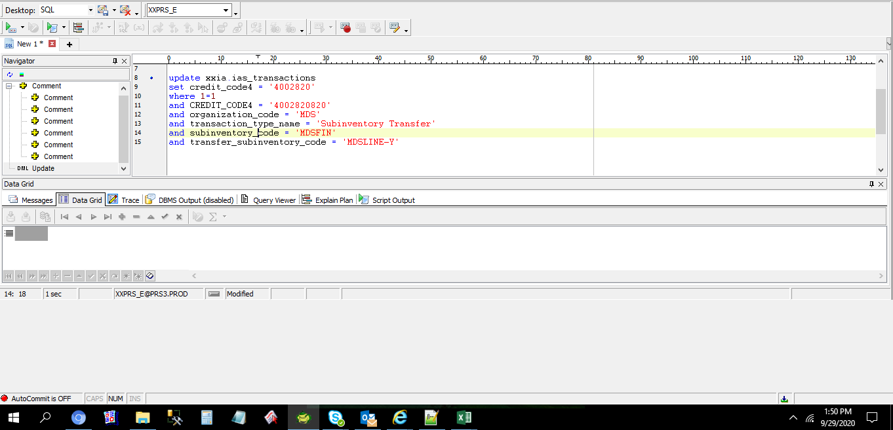



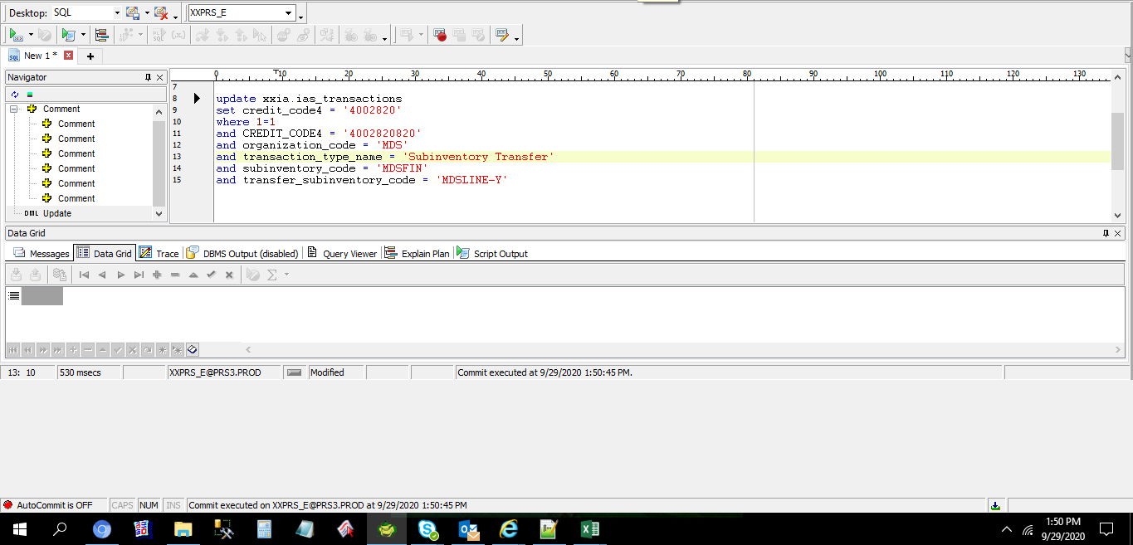

TRANSACTION_ID | RCV_TRANSACTION_ID | SUM_TRANSACTION_ID | TRANSACTION_SOURCE_ID | TRANSACTION_TYPE_NAME | ORGANIZATION_CODE | SUBINVENTORY_CODE | SPECIAL_CODE | TRANSFER_ORGANIZATION_CODE | TRANSFER_SUBINVENTORY_CODE | TRANSFER_SPECIAL_CODE | ITEM_CODE | TRANSACTION_QUANTITY | TRANSACTION_DATE | PERIOD_NAME | ITEM_UOM | SET_OF_BOOKS_ID | REASON_ID | CURRENCY_CODE | CURRENCY_RATE | USD_RATE | JPY_RATE | CURRENCY_PRICE | USD_PRICE | JPY_PRICE | CURRENCY_AMOUNT | USD_AMOUNT | JPY_AMOUNT | DECISION_STATUS | ACCEPTANCE_STATUS | PROCESS_STATUS | ADJ_TRANSACTION_ID | DEBIT_CODE1 | DEBIT_CODE2 | DEBIT_CODE3 | DEBIT_CODE4 | DEBIT_CODE5 | DEBIT_CODE6 | DEBIT_CODE7 | DEBIT_CODE8 | DEBIT_CODE9 | DEBIT_CODE10 | DEBIT_CODE11 | CREDIT_CODE1 | CREDIT_CODE2 | CREDIT_CODE3 | CREDIT_CODE4 | CREDIT_CODE5 | CREDIT_CODE6 | CREDIT_CODE7 | CREDIT_CODE8 | CREDIT_CODE9 | CREDIT_CODE10 | CREDIT_CODE11 | DEBIT_ATTRIBUTE1 | DEBIT_ATTRIBUTE2 | DEBIT_ATTRIBUTE3 | DEBIT_ATTRIBUTE4 | DEBIT_ATTRIBUTE5 | DEBIT_ATTRIBUTE6 | DEBIT_ATTRIBUTE7 | DEBIT_ATTRIBUTE8 | DEBIT_ATTRIBUTE9 | DEBIT_ATTRIBUTE10 | DEBIT_ATTRIBUTE11 | DEBIT_ATTRIBUTE12 | DEBIT_ATTRIBUTE13 | DEBIT_ATTRIBUTE14 | DEBIT_ATTRIBUTE15 | DEBIT_ATTRIBUTE16 | DEBIT_ATTRIBUTE17 | DEBIT_ATTRIBUTE18 | DEBIT_ATTRIBUTE19 | DEBIT_ATTRIBUTE20 | CREDIT_ATTRIBUTE1 | CREDIT_ATTRIBUTE2 | CREDIT_ATTRIBUTE3 | CREDIT_ATTRIBUTE4 | CREDIT_ATTRIBUTE5 | CREDIT_ATTRIBUTE6 | CREDIT_ATTRIBUTE7 | CREDIT_ATTRIBUTE8 | CREDIT_ATTRIBUTE9 | CREDIT_ATTRIBUTE10 | CREDIT_ATTRIBUTE11 | CREDIT_ATTRIBUTE12 | CREDIT_ATTRIBUTE13 | CREDIT_ATTRIBUTE14 | CREDIT_ATTRIBUTE15 | CREDIT_ATTRIBUTE16 | CREDIT_ATTRIBUTE17 | CREDIT_ATTRIBUTE18 | CREDIT_ATTRIBUTE19 | CREDIT_ATTRIBUTE20 | TRANSACTION_CREATE_ID | TRANSACTION_CREATE_DATE | CREATION_DATE | CREATED_BY | LAST_UPDATE_DATE | LAST_UPDATED_BY | LAST_UPDATE_LOGIN
778432695 |  | 92382662 |  | Subinventory Transfer | MDS | MDSFIN |  | MDS | MDSLINE-Y |  | MDC-EP-A0001 | 300 | 9/24/20 | Sep-20 | PCE | 2021 |  | USD | 1 | 0 | 0 | 0 | 0 | 0 | 0 | 0 | 0 | 2 | 2 | 1 |  | T090593 | M20 | L10 | 4002810 | 11201110 | 0 | X2000 | PHL | 0 | 0 | 0 | T090593 | M20 | L10 | 4002820 | 11501110 | 0 | X2000 | PHL | 0 | 0 | 0 |  |  |  |  |  |  |  |  |  |  |  |  | UKP |  |  |  |  |  |  |  |  |  |  |  |  |  |  |  |  |  |  |  | UKP |  |  |  | 1 |  |  |  | 10782 | 9/24/20 | 9/28/20 | IASS0010 | 9/28/20 | IASS0450
778627373 |  | 92382662 |  | Subinventory Transfer | MDS | MDSFIN |  | MDS | MDSLINE-Y |  | MDC-EP-A0001 | 145 | 9/25/20 | Sep-20 | PCE | 2021 |  | USD | 1 | 0 | 0 | 0 | 0 | 0 | 0 | 0 | 0 | 2 | 2 | 1 |  | T090593 | M20 | L10 | 4002810 | 11201110 | 0 | X2000 | PHL | 0 | 0 | 0 | T090593 | M20 | L10 | 4002820 | 11501110 | 0 | X2000 | PHL | 0 | 0 | 0 |  |  |  |  |  |  |  |  |  |  |  |  | UKP |  |  |  |  |  |  |  |  |  |  |  |  |  |  |  |  |  |  |  | UKP |  |  |  | 1 |  |  |  | 10782 | 9/25/20 | 9/28/20 | IASS0010 | 9/28/20 | IASS0450

select *
from xxia.IAS_BALANCE
where cost_center = '4002820820'
and period_name = 'SEP-2020'
and item_code = 'MDC-EP-A0001'
and main_acc_code = '11501110'

PERIOD_NAME | ORGANIZATION_CODE | COST_CENTER | MAIN_ACC_CODE | SUBINVENTORY_CODE | JOBNO | ITEM_CODE | ITEM_TYPE | DESCRIPTION | UOM | PREVIOUS_MOV_AVE_COST | PREVIOUS_QTY | PREVIOUS_AMOUNT | RECIEPT_NORMAL_QTY | RECIEPT_NORMAL_AMOUNT | RECIEPT_TRANSFER_QTY | RECIEPT_TRANSFER_AMOUNT | ISSUE_NORMAL_QTY | ISSUE_NORMAL_AMOUNT | ISSUE_TRANSFER_QTY | ISSUE_TRANSFER_AMOUNT | CURRENT_QTY | CURRENT_AMOUNT | CURRENT_MOV_AVE_COST | CREATION_DATE | CREATED_BY | LAST_UPDATE_DATE | LAST_UPDATED_BY | LAST_UPDATE_LOGIN | PROCESS_NO | SEQ | STATUS
Sep-20 | MDS | 4002820820 | 11501110 | MDSLINE-Y |  | MDC-EP-A0001 | FG | MACH LAN HUB | PCE | 0 | 0 | 0 | 0 | 0 | 0 | 0 | 0 | 0 | 445 | 116906.82 | -445 | -116906.82 | 262.71196 | 9/28/20 | IASS0070 | 9/29/20 | IASS0070

Helpdesk Request
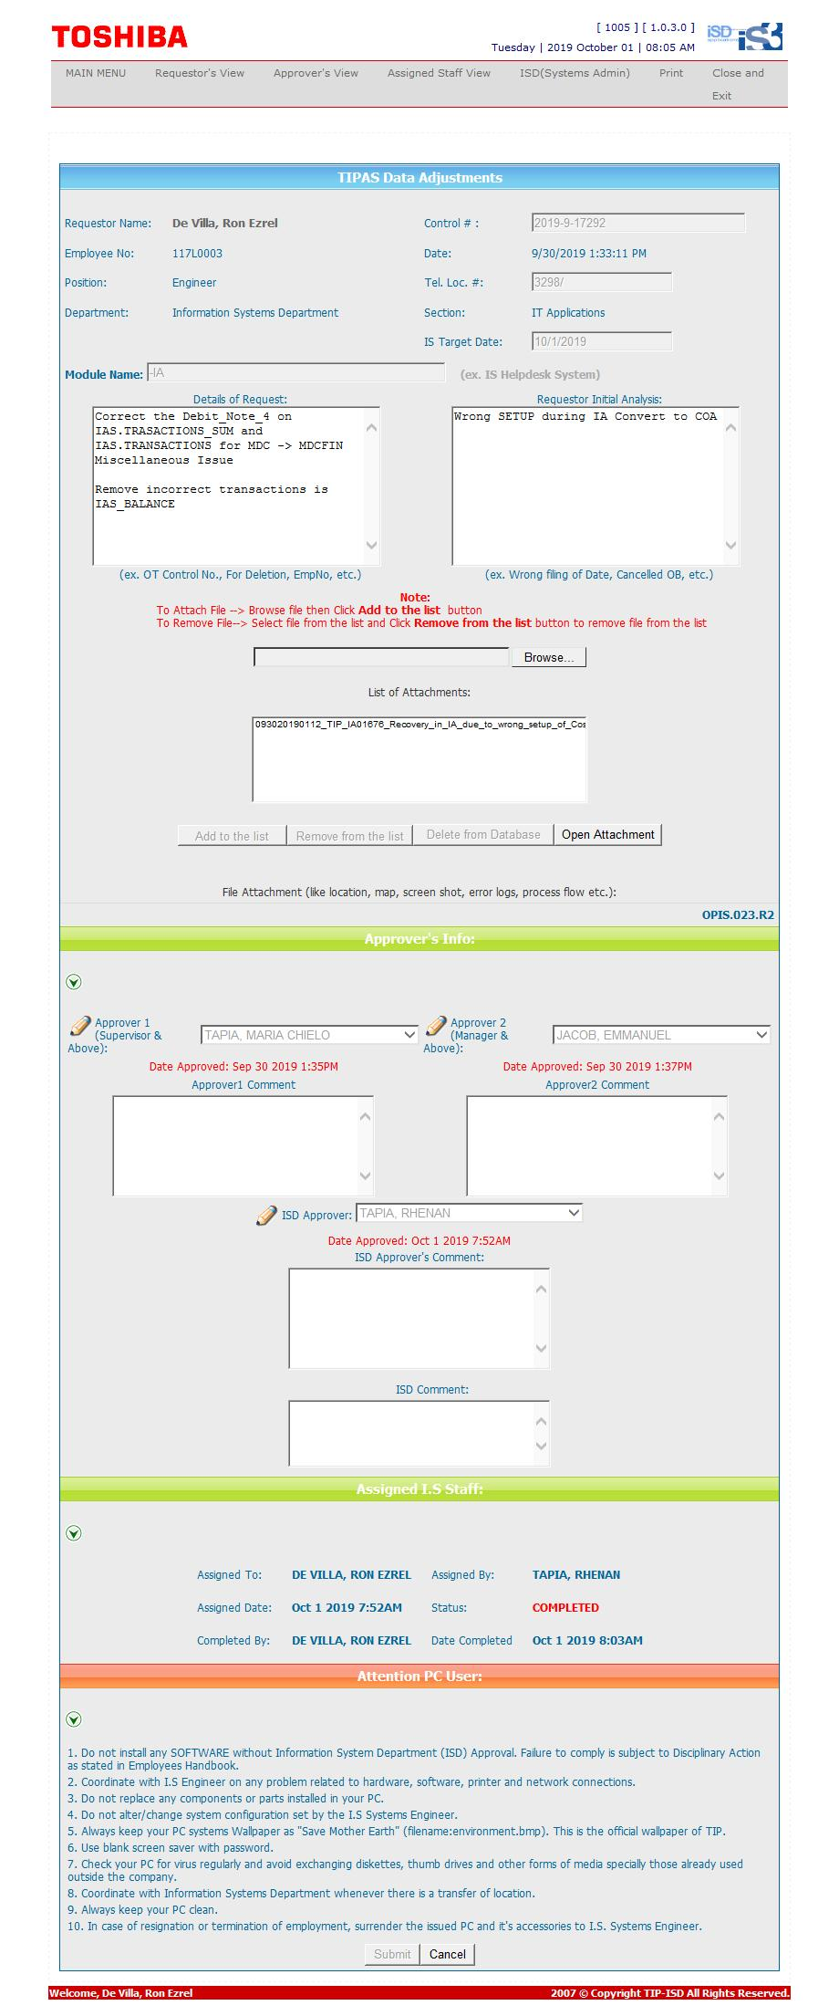
Helpdesk Request

 | ATTACH SCREENSHOT OF HELPDESK REQUEST.

